Vest Order 2013
 | SQUARE MEATERS CATTLE ASSOCIATION OF AUSTRALIA |  |  |  |  |  | PO Box 189, KIAMA NSW 2533
 | SHOW VEST UNIFORM ORDER |  |  |  |  |  | Ph: 02 4232 3333 Fax: 02 4232 3350 Email: squaremeaters@bigpond.com
 |  |  |  |  |  |  | ABN: 87 681 797 865
NAME
POSTAL ADDRESS
TELEPHONE |  |  |  |  | EMAIL
Forward Order & Payment to Square Meaters Cattle Association of Australia Ltd by Cheque or Direct Debit to: WESTPAC Bank, BSB: 032 273, Account: 27 6420 |  |  |  |  | How To Size Your Vest
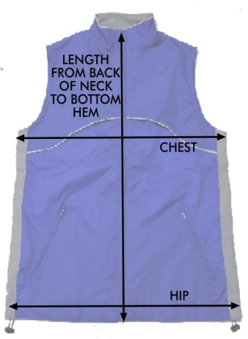
 |  |  |  |  |  | Measure in CM

 |  |  |  |  |  |  | CHEST - Measure around the chest below the armpits
Forward your Order Form by Fax, Email or Post, orders are completed upon payment.

Orders are posted Direct from the Supplier to the SMCAA Member at their above mailing address. |  |  |  |  |  |  | LENGTH - Measure from centre back of neck to bottom hem

Allow up to 6 weeks for delivery |  |  |  |  |  |  | HIPS - Measure around hips
Cost is $70.00 each, (GST inclusive) PLUS $12.00 Postage & Handling for up to 4 units.
 |  |  |  |  | Match your measurements to the charts blow & enter the detail into the Order section.

PLACE YOUR ORDER & SIZES HERE:
ADD QTY ► | 0 | @ | 70.00 | Postage & Handling for 4 units |  | 12.00 | TOTAL | 12.00
Unit | Standard | Mens/Ladies | Extra Size | MW LW LL | Unit | Standard | Mens/Ladies | Extra Size | MW LW LL
1 |  |  |  |  | 3
2 |  |  |  |  | 4
STANDARD Sizing Chart
MENS | XX SMALL | X SMALL | SMALL | MEDIUM | LARGE | X LARGE | 2X LARGE | 3X LARGE | 4X LARGE
CHEST | 105 | 109 | 113 | 117 | 121 | 125 | 129 | 133 | 137
HIP | 105 | 109 | 113 | 117 | 121 | 125 | 129 | 133 | 137
LENGTH | 68 | 68 | 68 | 69 | 74 | 75 | 75 | 76 | 76
LADIES | 8 | 10 | 12 | 14 | 16 | 18 | 20 | 22 | 24
CHEST | 105 | 109 | 113 | 117 | 121 | 125 | 129 | 133 | 137
HIP | 105 | 109 | 113 | 117 | 121 | 125 | 129 | 133 | 137
LENGTH | 59 | 60 | 60.5 | 61 | 65 | 66 | 66.5 | 67 | 67.5
EXTRA Sizing Chart
MENS WIDE | XX SMALL | X SMALL | SMALL | MEDIUM | LARGE | X LARGE | 2X LARGE | 3X LARGE | 4X LARGE
CHEST | 105 | 109 | 113 | 117 | 121 | 125 | 129 | 133 | 137
HIP | 110 | 114 | 118 | 122 | 125 | 130 | 134 | 138 | 142
LENGTH | 68 | 68 | 68 | 69 | 74 | 75 | 75 | 76 | 76
LADIES LONG | 8 | 10 | 12 | 14 | 16 | 18 | 20 | 22 | 24
CHEST | 105 | 109 | 113 | 117 | 121 | 125 | 129 | 133 | 137
HIP | 105 | 109 | 113 | 117 | 121 | 125 | 129 | 133 | 137
LENGTH | 66 | 66 | 66 | 66 | 71 | 71 | 71 | 71 | 71
LADIES WIDE | 8 | 10 | 12 | 14 | 16 | 18 | 20 | 22 | 24
CHEST | 105 | 109 | 113 | 117 | 121 | 125 | 129 | 133 | 137
HIP | 111 | 115 | 120 | 124 | 127 | 131 | 135 | 139 | 143
LENGTH | 59 | 60 | 60.5 | 61 | 65 | 66 | 66.5 | 67 | 67.5

